1. Title Page
[Project Name]

Project Name: Instacart Grocery Bastket Analysis
Date: 5.07.2025
Analyst Name: sreelaya narla

Contents:
Population Flow
Consistency checks
Wrangling steps
Column derivations
Visualizations
Recommendations

Citation (required in your final report): “The Instacart Online Grocery Shopping Dataset 2017”, Accessed from www.instacart.com/datasets/grocery-shopping-2017 via Kaggle on <date>.

2. Population Flow
Title page

Population flow

Exclusion flag
Condition: max_order <
Obervations to be removed:
Final total count of order_products_all:

Orders_products_combined
Orders_products_merged
Orders_products_all

Total:32404859
Total: 32434489
Total: 32404859

1.) The grey boxes in the first row of the population flow represent the original data sets as they were when you downloaded them. In the Total fields you need to add the count of the rows when you imported the data set into Jupyter.
2.) The second row of boxes (coloured) represents the data sets after you manipulated them, e.g., removed missing values and duplicates. In the Total fields you need to add the count of the rows after conducting these operations. This offers a visual oveview of how the data flows throughout the data consistency checks.
3.) The third row, where also the arrows are coloured, represents the merges you performed between the datasets. In the Total fields you need to add the count of the rows in the merged datasets, so that you end up with the final dataset (in the red box). Keep in mind the final dataset should be without exclusions (based on the exclusion flag).

3. Consistency checks
 |  |  |  | Title page
Consistency checks

Dataset | Missing values | Missing values treatment | Duplicates
orders | days_since_prior_order column : 206209 | keep them, due to representing the first order | 0
products | 16 | create a new data frame | 5
orders_products_prior | no |  | no
customers | no |  | no

4. Wrangling steps
 |  |  |  | Title page
Wrangling steps

Columns dropped | Columns renamed | Columns' type changed | Comment/Reason
eval_set |  |  | unnecessary column for analysis
 | order_dow to order_day_of_week |  | clearer name
 |  | order_id column as str | we wouldn't calculate statistics for order_id
 |  | order_number as str | we wouldn't calculate statistics for order_number
 |  | user_id to str | we wouldn't calculate statistics for user_id
 | n_dependants : Number of Dependents
 | Surname: Last Name
 | income : Income
 | fam_status : Family Status
 | date_joined : Date Joined
 | STATE . State

5. Column derivations
 |  |  |  | Title page

Column derivations and aggregations

In this tab you should add tables below that the frequences of flags/label variables that you produced after deriving them. NB: don't do this for continuous variables, only for flags.
Dataset | New column | Column/s it was derived from | Conditions
ords_prods_merge | price_range_loc | prices | 15> 'High-range product' >5 & <=15 ' Mid-range product' <5 'Low Range product'
ords_prods_merge | busiest_day | orders_day_of_week | if value = 0:"Busiest day" if value = 4:"Least busy" else = "Regularly busy"
ords_prods_merge | Busiests_days | orders_day_of_week | if values [0, 1]: "Busiests days" if values [4, 3]: "Slowest days" else: "Regularly busy"
ords_prods_merge | busiest_period_of_day | orders_day_of_week | if value in [ 10,11,14,15,13,12,16,9]:"Most Orders" if value in [17,8,18,19,20,7]: "Average Orders" else:Fewest Orders"
ords_prods_merge | loyalty_flag | order_number, user_id | If value max_order > 40 : 'Loyal customer' If value max_order <= 40 : 'Regular customer'. If value max_order <= 10: ' New customer'
ords_prods_merge | spender_flag | loyalty_flag, prices | If value mean_prices < 10 : Low spender. If value mean_prices >= 10 : High spender
ords_prods_merge | order_frecuency_flag | user_id, day_since_prior_order | If value median_days_since_prior_order > 20: Non-frecuent customer If value median_days_since_prior_order <= 20: Regular_customer . If value median_days_since_prior_order <= 10 : Frecuent customer
final_dataset | region | state | # Region 1: Northeast : 'Maine', 'New Hampshire', 'Vermont', 'Massachusetts', 'Rhode Island', 'Connecticut', 'New York', 'Pennsylvania', 'New Jersey' # Region 2: Midwest : 'Wisconsin', 'Michigan', 'Illinois', 'Indiana', 'Ohio', 'North Dakota', 'South Dakota', 'Nebraska', 'Kansas', 'Minnesota', 'Iowa', 'Missouri # Region 3: South: 'Delaware', 'Maryland', 'District of Columbia', 'Virginia', 'West Virginia', 'North Carolina', 'South Carolina', 'Georgia', 'Florida', 'Kentucky', 'Tennessee', 'Mississippi', 'Alabama', 'Oklahoma', 'Texas', 'Arkansas', 'Louisiana' # Region 4: West 'Idaho', 'Montana', 'Wyoming', 'Nevada', 'Utah', 'Colorado', 'Arizona', 'New Mexico', 'Alaska', 'Washington', 'Oregon', 'California', 'Hawaii
final_dataset | exclusion_flag | order_frecuency_flag | True: <5 orders False: >=5 orders
sampled_df | parenting_status | n_dependants | if value 'n_dependants' 0: 'Single Adult' else: 'Parent'
sampled_df | age_group | age | if age values < 18: 'Teen' If age values 18 <= age <= 29: 'Young Adult' If age values <= age <= 44: 'Adult' If age values <= age <= 59: 'Middle Aged' If age values else return 'Senior'

sampled_df | department_name | department_id | if value 1: frozen if value 2: other if value 3: bakery if value 4: produce if value 5: alcohol if value 6: international if value 7: beverages if value 8: pets if value 9: dry goods pasta if value 10: bulk if value 11: personal care if value 12: meat seafood if value 13: pantry if value 14: breakfast if value 15 :canned goods if value 16: dairy eggs if value 17: household if value 18: babies if value 19: snacks if value 20: deli if value 21: missing

6. Visualizations
 |  |  | Title page

Visualisations

In this tab you should include all the visualtions from Exercises 4.9 and 4.10, alongside the questions from the project brief that they answer. Include any commentary on the relationship between different variables.

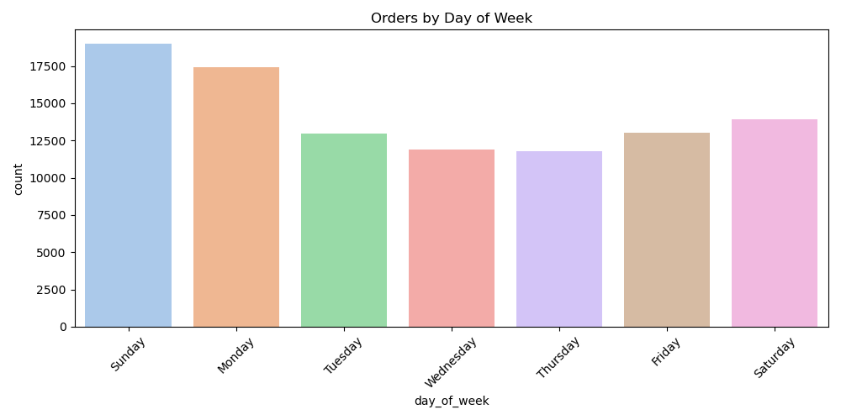

 |  | What the busiest days of the week and hours of the day are (i.e., the days and times with the most orders) in order to schedule ads at times when there are fewer orders?

 |  | The Weekends are the busiest time of the week. Also, the maximum number of orders were received in the business hours especially between 9 am and 11 am.



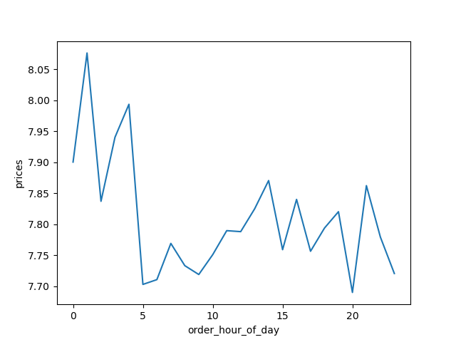

They also want to know whether there are times of the day when people spend the most money, as this might inform the type of products they advertise at these times.

Seems to be a tendency in spending during The night

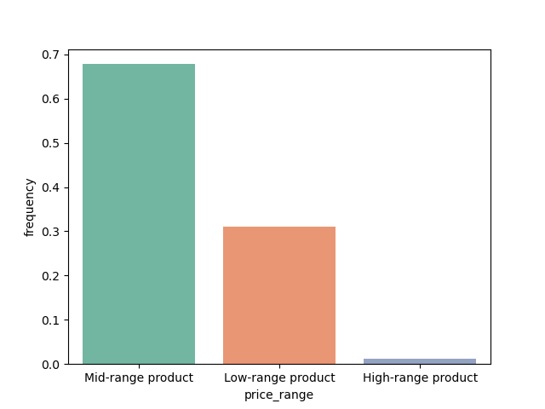

 | Instacart has a lot of products with different price tags. Marketing and sales want to use simpler price range groupings to help direct their efforts.

 | The most frecuently bought products are in the mid range price



 |  |  |  |  |  | - The mayority of our customers are considered regular customers
 |  |  |  |  |  | - Significant amount of customers are recurring but not highly engaged.
 |  |  |  |  |  | - From a sample of 1,000,000 of customers, most of them show to be low spenders.
 |  |  |  |  |  | - The highest proportion of high spenders are in regular customers.

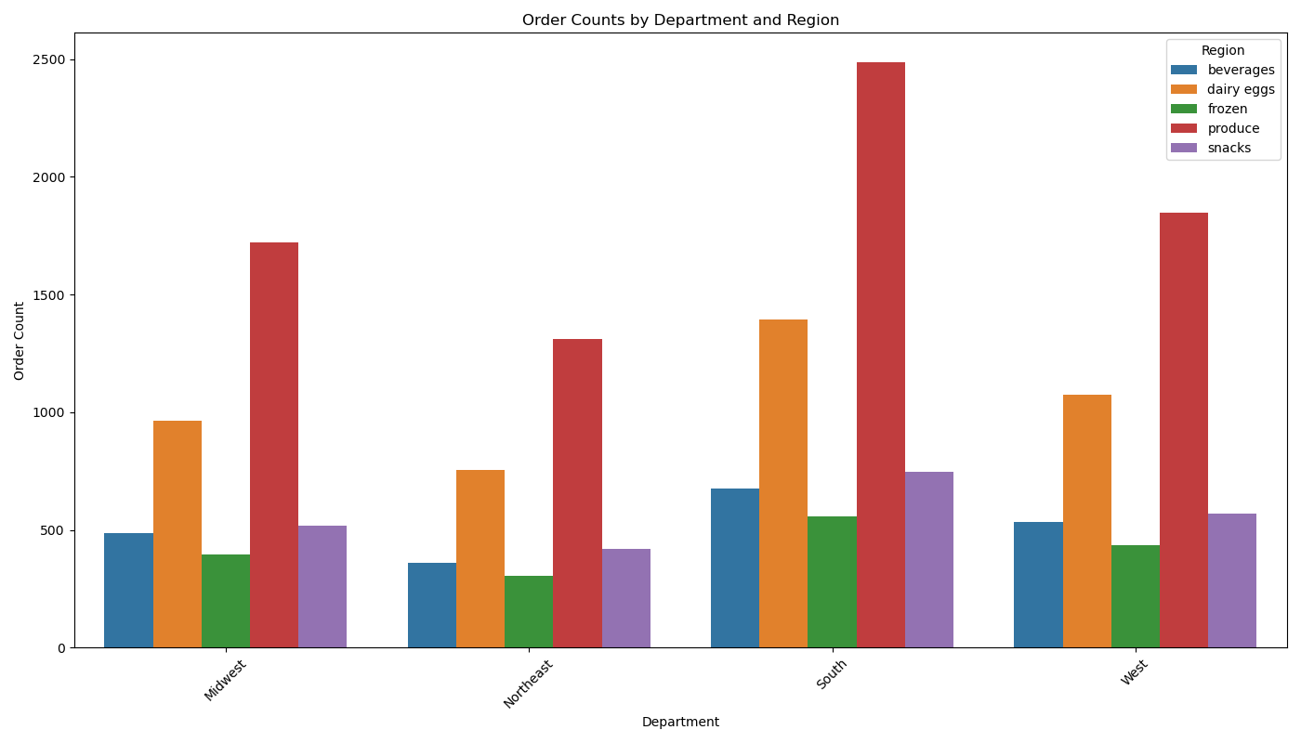

 |  |  |  |  | Are there differences in ordering habits based on a customer’s region?

 |  |  |  |  | There is a notorious increase in buying produce products in general but mostly in The south region, followed by diary eggs

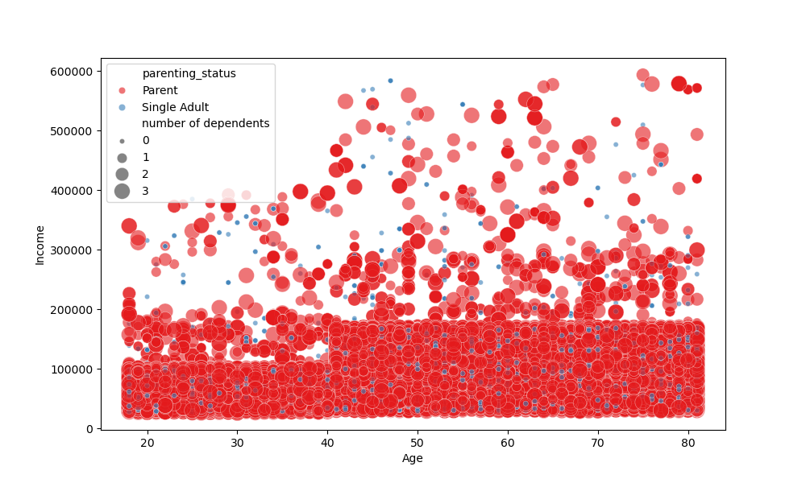

 |  |  |  | Is there a connection between age and family status in terms of ordering
 |  |  |  | habits?

 |  | Customers with parenting status have a tendency in order more and more frecuently than single adults.

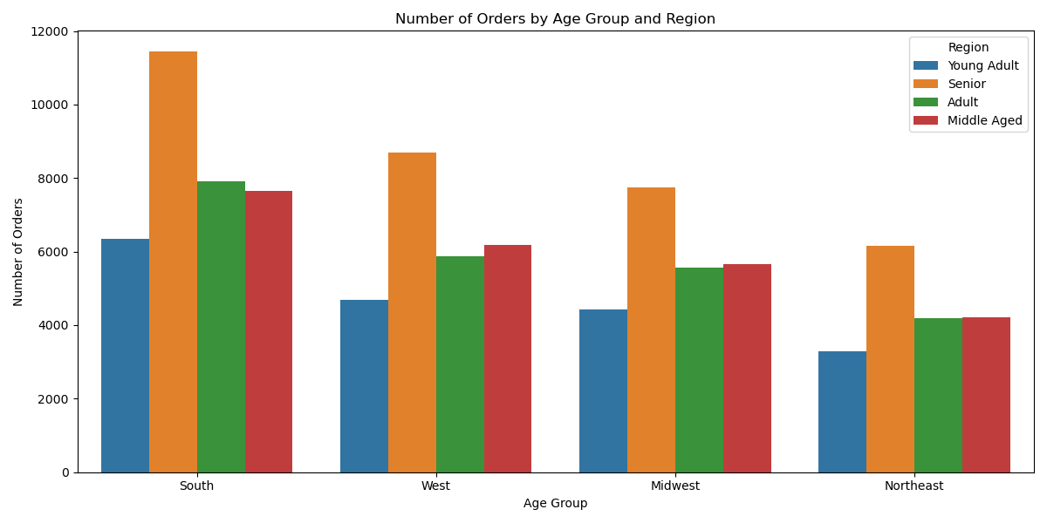

 |  |  | What different classifications does the demographic information suggest?

 |  |  | Regarding in age terms, seniors are ordering more frecuently in general, having The highest amount of orders in The south of The country

 |  |  | The age group that orders the least is located in the northeast region.

 |  |  |  | produce has the highest orders and then dairy and eggs

 |  |  |  | frozen is the least

7. Recommendations
 |  |  |  | Title page

Recommendations

In this tab you should include any recommendations you would made to Instcart in terms of their marketing strategy based on the questions posed in the brief. Every key question has been covered in the Tasks of the Exercises - here you need to add an item - a visualisation or table/crosstable that is showing the answer in the data, acompanied by a comment from you. Please, list the questions below and add the answer underneath.

Question
Key Question 1 |  | Answer
Key Question 2
Key Question 3
Key Question 4
Key Question 5
Key Question 6
Key Question 7

 | 1) Which are the busiest hours of the day? And busiest days of the week? | a) Order Frequency by Time of Day Most orders are placed between 10:00 AM and 4:00 PM. Order activity is minimal during early morning and late evening hours. b) High-Traffic Days of the Week Order volume peaks on Sundays and Mondays. Fewer orders are typically placed on Wednesdays and Fridays. c) Weekly Spending Patterns Consumers tend to spend the most on weekends, with Sunday being the top day for expenditures. | Launch advertisements or promotions during off-peak hours to increase engagement. Implement marketing campaigns or upselling tactics on low-traffic days to help even out demand. Highlight premium or higher-priced products on these slower days to drive revenue.
 | 2) Which are the times of the day where is spent the most? | Orders & Spending by Time of Day Customer spending closely follows order activity, with both peaking between 10:00 AM and 2:00 PM. | Consider promoting premium products or product bundles during peak spending hours to maximize revenue.
 | 3) Simple range grouping for decision making. | Product Pricing Trends Most purchases are concentrated in the mid-price tier, suggesting a strong appeal among middle-market consumers — making it a key segment for targeted marketing efforts. | Personalized recommendations can be used to engage both budget-conscious and premium-seeking customers.
 | 4) Are there certain types of products that are more popular than others? | a) Most Popular Departments - Produce - Dairy & Eggs - Snacks - Beverages - Frozen | Suggest prioritizing inventory, promotions, and visibility for these categories.
 | 5) Different types of customers in their system and how their ordering behaviors. | a) Loyalty Distribution - Majority are Regular customers, followed by Loyal and then New. - Indicates strong return behavior, but opportunity to nurture new users into regulars. b) Loyalty & Spending Patterns - Loyal customers tend to: - Order less frequently - Spend more per order | Suggest higher-value product ads for loyal users.
 | 6) Are there differences in ordering habits based on a customer’s region? | a) Regional Ordering Differences Produce purchases are highest in the South, followed by Dairy & Eggs. | Regional campaigns could emphasize top departments by zone.

